Sheet1
Brand Name | Product Name | STYLE CODE | COLOUR | Product Quantity | Product MRP | EN CODE | BOX NO. | Upload On Web | Image
TRIBAL ZONE | EARRING | TZ4361-008 | GOLD | 126 | 399 | 8903827098644 | 1 | Done |  |  | June INDENT
TRIBAL ZONE | EARRING | TZ4357-12 | GOLD | 120 | 599 | 8903827098323 | 1 | Done | 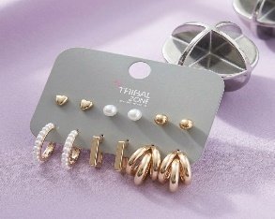 | June INDENT
TRIBAL ZONE | EARRING | TZ4357-19 | WHITE | 120 | 599 | 8903827098392 | 1 | Done | 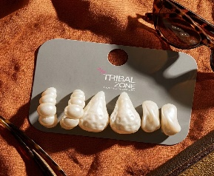 | June INDENT
TRIBAL ZONE | EARRING | TZ4357-4 | GOLD | 120 | 599 | 8903827098248 | 1 | Done | 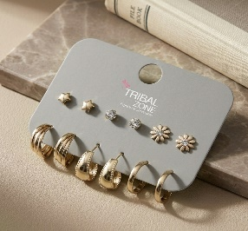 | June INDENT
TRIBAL ZONE | EARRING | TZ4357-20 | WHITE | 125 | 599 | 8903827098408 | 1 | Done | 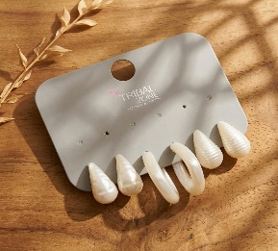 | June INDENT
TRIBAL ZONE | EARRING | TZ4357-6 | GOLD | 120 | 599 | 8903827098408 | 1 | Done | 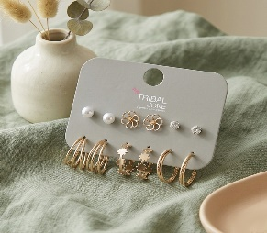 | June INDENT
TRIBAL ZONE | EARRING | TZ4357-10 | GOLD | 119 | 599 | 8903827098309 | 1 | Done | 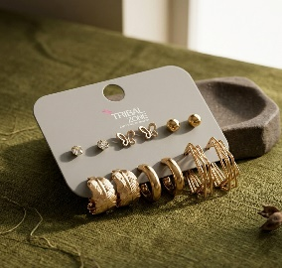 | June INDENT
TRIBAL ZONE | EARRING | TZ4357-8 | GOLD | 114 | 599 | 8903827098286 | 2 | Done | 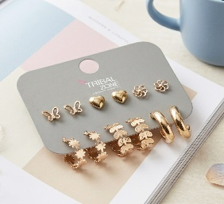 | June INDENT
TRIBAL ZONE | EARRING | TZ4357-1 | GOLD | 136 | 599 | 8903827098217 | 2 | Done |  | June INDENT
TRIBAL ZONE | EARRING | TZ4357-17 | WHITE | 119 | 599 | 8903827098378 | 2 | Done |  | June INDENT
TRIBAL ZONE | EARRING | TZ4383-1 | GOLD | 123 | 699 | 8903827097913 | 4 | Done |  | June INDENT
TRIBAL ZONE | EARRING | TZ4383-2 | GOLD | 123 | 699 | 8903827097913 | 4 | Done |  | June INDENT
TRIBAL ZONE | EARRING | TZ4383-10 | GOLD | 61 | 699 | 8903827098002 | 4 | Done |  | June INDENT
TRIBAL ZONE | EARRING | TZ4383-10 | SILVER | 50 | 699 | 8903727099818 | 4 | Done | 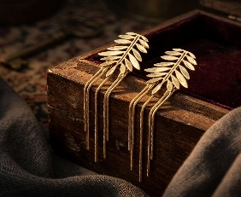 | June INDENT
TRIBAL ZONE | EARRING | TZ4383-10-SLV | SILVER | 50 | 699 | 8903727099818 | 4 | Done |  | June INDENT
TRIBAL ZONE | EARRING | TZ4383-5 | GOLD | 192 | 699 | 8903827097951 | 4 | Done |  | June INDENT
TRIBAL ZONE | EARRING | TZ4383-6 | MULTI | 233 | 599 | 8903827097968 | 3 | Done |  | June INDENT
TRIBAL ZONE | EARRING | TZ4383-3 | GOLD | 209 | 699 | 8903827097937 | 3 |  | 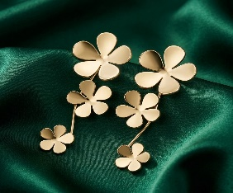
TRIBAL ZONE | EARRING | TZ4383-7 | GOLD | 198 | 599 | 8903827097975 | 3 | Done |  | June INDENT
HAUTE CURRY | EARRING | ER-34150-BLK | BLACK | 152 | 599 | 8903827099603 | 3 | Done | 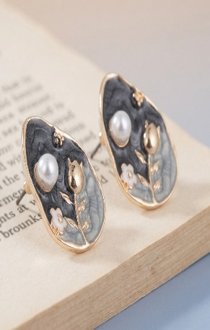
TRIBAL ZONE | EARRING | TZSSE-123 | WHITE | 123 | 899 | 8903827081059 |  |  | 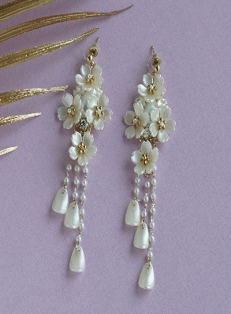 | MARCH
TRIBAL ZONE | EARRING | TZSSE-677G | GOLD | 216 | 499 | 8903827076413 |  |  | 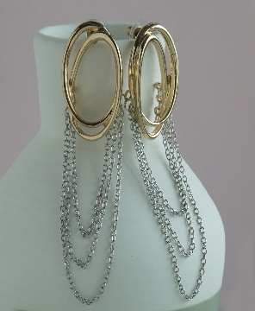 | MARCH
HAUTE CURRY | EARRING | HCSSE-664G | GOLD | 102 | 499 | 8903827077496 |  |  | 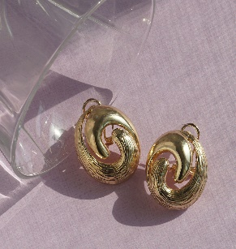 | MARCH
TRIBAL ZONE | EARRING | HCSSE-663 | MULTI | 60 | 399 | 8903827077489 |  |  | 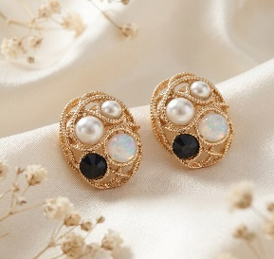 | MARCH

